Order Sheet
BLANK HAT ORDER FORM
The Orvis Company, Inc

Attn: Denise Hamilton
1711 Blue Hills Drive
Roanoke, VA 24012-8613 |  |  |  | 2013-11-01
hamiltond@orvis.com

Endorsed Partner | [Name] |  | SHIP TO | [Name]
 | [GUIDE NUMBER]
 | [Company Name] |  |  | [Company Name]
 | [Street Address] |  |  | [Street Address]
 | [City, ST ZIP Code] |  |  | [City, ST ZIP Code]
 | [Phone] |  |  | [Phone]
 | [Credit Card Number]

QTY | ITEM # | DESCRIPTION |  |  | UNIT PRICE | LINE TOTAL
 | 8X3C-0300 | Blank Twill Cap - Navy |  |  | $9.50
 | 8X3C-0900 | Blank Twill Cap - Stone |  |  | $9.50
 | 8X3E-1800 | Blank Trucker Cap - Sage |  |  | $9.50
 | 8X3E-0900 | Blank Trucker Cap - Blue |  |  | $9.50
 | 8X3H-4200 | Mesh Back Ball Cap - Blaze Orange |  |  | $9.50
 | 8X3K-4200 | Cotton Twill Ball Cap - Blaze Orange |  |  | $9.50
 | 8X3G-1100 | Blank Waxed Hat - Brown |  |  | $12.00
 | 8X3G-2100 | Blank Waxed Hat - Olive |  |  | $12.00

Normal Shipping Charges and Taxes Apply and will be applied to the order at the time it is keyed by our team in Roanoke.
 |  |  |  |  | SUBTOTAL
 |  |  |  |  | SALES TAX
 |  |  |  |  | TOTAL

Hat Images
Styles To Choose From
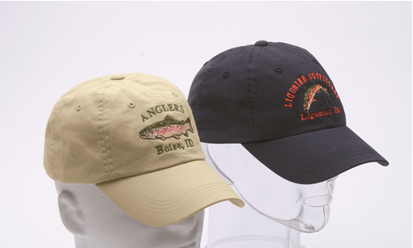
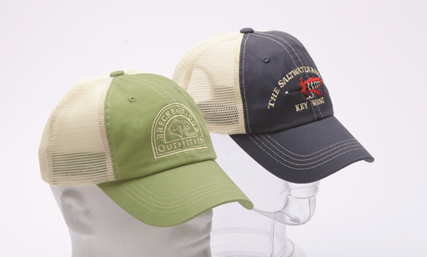

Blank Twill Cap - Navy and Stone (8X3C) | Blank Trucker Cap - Sage and Blue (8X3E)

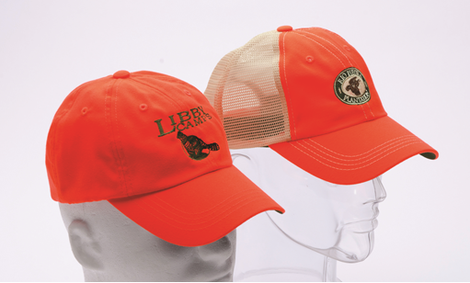
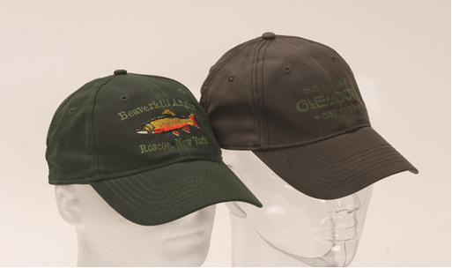

Blank Twill (8X3K) & Blank Mesh Back Ball Cap (8X3H) - Blaze Orange | Blank Waxed Hat - Olive and Brown (8X3G)

